Dictionary
skip
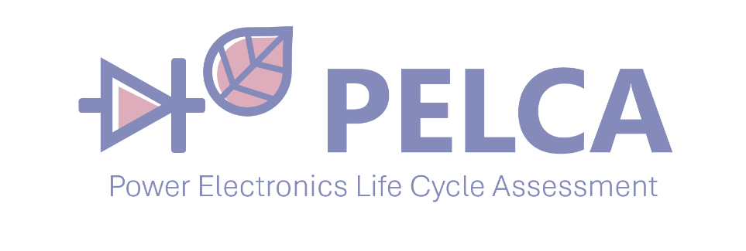 DICTIONARY

Name | Abbv. | Definitions | Sources
Life Cycle Assessment | LCA | Compilation and evaluation of the inputs, outputs and the potential impacts (environmental, economic, temporal) of a product system throughout its life cycle. | ISO 14040
Total Cost of Ownership | TCO | Financial evaluation method that calculates all direct and indirect costs related to the acquisition, use, maintenance and end of life of a product or system over its entire lifespan. | no
Inventory |  | Gathers all activities in order to model the manufacturing, use, end-of-life phases, as well as maintenance scenarios. | no
Activity |  | A process or hardware that is creating impacts. An activity is related to a life-cycle phase, either manufacturing, use, maintenance, or end of life. The results generated by PELCA are presented per activity. | no
Indicators |  | Measure used to evaluate and quantify the impact or performance of a system. It represents an impact category that can be environmental, economic, or time-related. Indicators translate inventory results into interpretable and comparable values. | no
Impacts |  | Calculated values associated with an indicator. | no
Environmental Impacts | EI | The environmental burdens or costs of a system, assessed after performing a Life Cycle Assessment (LCA). They express the potential effects of the studied system on the environment (e.g., climate change, acidification, resource depletion). | no
Cost / Price |  | Represents the economic or financial value associated with an activity. It corresponds to the expenditure required to perform this activity and is generally expressed in a monetary unit (for example, euros, €). | no
Failure |  | The probability that a Replaceable Unit (RU) stops functioning during its life cycle | no
Downtime | DWT | Period during which a system is not operational due to planned or unplanned maintenance operations. It corresponds to the time during which the system cannot perform its intended function. | no
Manufacturing |  | All activities required to produce a product or system, including raw material processing, assembly, and associated industrial operations. | no
Use |  | The phase during which the product or system performs its intended function. This phase may include energy and resource consumption as well as generation of emissions. | no
End of Life | EoL | All operations occurring once the product reaches the end of its service life, such as dismantling, recycling, recovery, or disposal. | no
Preventive Maintenance |  | Included in planned maintenance. Corresponds to B2 (Maintenance) and B4 (Replacement) in EN15804 standard. B4 involves a larger share of the total product (typically more RUs) than B3. Is performed according to the maintenance calendars. | no
Curative Maintenance |  | Synonym of unplanned maintenance. Is performed after a failure occurs. Corresponds to B3 (Repair) in EN15804 standard. Is performed according to the failure rates and to the replacement matrix. | no
Cost |  | The burdens generated by a system throughout its life cycle. It can be expressed as an environmental, economic, or time-related cost, depending on the type of indicator considered. | no
Electricity cost |  | The economic burden associated with the electricity consumption of a system throughout its life cycle. It is generally expressed in a monetary unit (for example, euros, €) and depends on the amount of electricity consumed and on the cost of energy. | no
Raw cost/price (€) |  | The production cost or the purchase cost of a marketed product, depending on the level of granularity considered. It may correspond to: the cost of raw materials and manufacturing operations, or the purchase price of an already commercialized product or component. It represents the initial cost associated with integrating the product into the studied system. | no
Repair |  | Repair is a direct action taken to restore the functioning of a system after a failure. In the presence of a failure, repair consists of replacing the defective Replaceable Unit (RU) by a new RU. This action allows the system to operate again. | no
Fault |  | A defect or malfunction that causes the system to stop functioning. It requires a repair, involving the replacement of the defective Replaceable Unit (RU) in order to restore system operation. | no
Replaceable unit | RU | Corresponds to a hardware part that can be disassembled and replaced during planned or unplanned maintenance operations. In PELCA, the activities related to maintenance are related to RUs. The failure rates, maintenance calendar and replacement matrices are defined at the level of RUs. | no
Replacement |  | Operation of disassembling the system in order to remove the defective Replaceable Unit (RU), and replacing it with a new RU. This operation therefore involves: disassembly of the affected subassembly, installation of a new unit, and reassembly of the system to make it operational again. | no
Assembly |  | Set of components assembled into a single unit. | NF EN 62542
Disassembly |  | Process whereby a product is taken apart in such a way that it can subsequently be reassembled and made operational. | IEC 62542
Maintenance Calendar |  | Schedule defining the dates or time intervals at which planned maintenance operations must be performed on a system or a Replaceable Unit. It organizes planned interventions in order to reduce the probability of failure, control downtime, and optimize the system’s lifetime. | no
Early Failure |  | Early failure occurs during the initial phase of a system’s life. It is generally associated with uncontrolled design, manufacturing, or assembly defects. In a Weibull model, it is characterized by a shape parameter β < 1, indicating a decreasing failure rate over time. | no
Random Failure |  | Random failure occurs unpredictably during the useful life phase of the system. It is not directly related to wear but to random external or operational events. In a Weibull model, it is characterized by β = 1, corresponding to a constant failure rate. | no
Wear-out Failure |  | Wear-out failure occurs at the end of the system’s life due to aging and progressive degradation of components. In a Weibull model, it is characterized by β > 1, indicating an increasing failure rate over time. | no
Service Life |  | Duration of the service life of the system. | no
Annual usage time |  | Yearly utilization rate of the system. This input is linked to the 'Inventory - Use' sheet, gathering the energy consumption per hour of the different parts of the system . | no
Time step (step/year) |  | Time step for the plot of the different LCICs ; for example, a time step of 1 means that the points on the staircase curve are spaced 1 year apart. | no
Monte Carlo |  | Number of Monte Carlo iterations at each time step to probabilistically simulate the distribution of faults. The LCIC curves are deterministically computed at each Monte Carlo iteration, but a large number of iterations allow to build probabilistic LCIC curves. | no

Report - BOM
Report - BOM - Efuse
Materials Resources - EFuse
 | Other
Other | 22.935
60676-86-0 | 4239.173
68475-94-5 | 209.085
1# Trade Secret | 86.491
1333-86-4 | 26.198
7439-89-6 | 25.531
7723-14-0 | 3.270
7440-66-6 | 1986.374
7440-22-4 | 18.164
1317-38-0 | 19.934
7440-21-3 | 38.957
7440-50-8 | 10755.440
7440-57-5 | 2.478
7440-02-0 | 2341.706
7440-05-3 | 0.230
12047-27-7 | 154.267
7440-31-5 | 1312.302
2# Trade Secret | 5.225
7787-45-3 | 151.650
12048-51-0 | 2.888
1313-97-9 | 15.686
12013-47-7 | 9.180
1317-36-8 | 1.721
7439-92-1 | 19.279
21645-51-2 | 34.264
7631-86-9 | 752.810
7440-55-3 | 0.050
25068-38-6 | 7.155
4# Trade Secret | 1.557
7429-90-5 | 58780.950
7439-96-5 | 0.156
29690-82-2 | 7.851
9003-35-4 | 4.944
7440-36-0 | 0.021
7440-69-9 | 0.000
7440-48-4 | 2.631
14808-60-7 | 7.116
1309-64-4 | 0.050
68928-70-1 | 0.120
7440-44-0 | 0.003
7440-47-3 | 0.028
7704-34-9 | 0.001
5# Trade Secret | 0.416
603-35-0 | 0.007
129915-35-1 | 0.252
1344-28-1 | 526.377
1305-78-8 | 1.211
12036-10-1 | 2.693
1303-86-2 | 0.401
1314-13-2 | 23.315
...
Synthesis |  |  | Top 10
Composants | 49 |  | Basic Substance | CAS CODE | Total (mg)
Total Composants | 110 | 1 | Aluminum | 7429-90-5 | 58780.949676
Nb Materials Resources | 75 | 2 | Copper (Cu) | 7440-50-8 | 10755.440158
 |  | 3 | Silica, vitreous (or fused) | 60676-86-0 | 4239.1726675
 |  | 4 | Nickle (Ni) | 7440-02-0 | 2341.7058606
 |  | 5 | Zinc (Metal) | 7440-66-6 | 1986.3735445
 |  | 6 | Sn | Tin | 7440-31-5 | 1312.3024736
 |  | 7 | Acide polylactique (PLA) | 26100-51-6 | 1200
 |  | 8 | Silicon dioxide | 7631-86-9 | 752.81035972
 |  | 9 | Aluminum oxide : A1203 | 1344-28-1 | 526.37666337
 |  | 10 | Epoxy Resin | 68475-94-5 | 209.08512271

Periodic Table VS CAS Code
 | Mass (mg)
Aluminum | 61125.286882
Nickel | 10755.440158
Arsenic | 4239.1726675
Copper | 2004.6638547
Gallium | 1312.3024736
Silicon | 1303.32925
Magnesium | 1249.7869391
Zinc | 334.81580073
Cadmium | 154.267
Chlorine | 151.65
Iron | 45.105513255
Lead | 44.809306566
Cobalt | 38.956965565
Carbon | 36.48243669
Chromium | 34.383656277
Titanium | 22.037730329
Polymer | 20.507267589
Phosphorus | 12.450184692
Silica | 7.1164
Manganese | 2.888
Calcium | 1.2541335501
Glass | 0.77987
Ethanol | 0.1486
Beryllium | 0.020705287502
Gold | 0.002939561937
Sulfur | 0.001470905514

